Summary - Ops
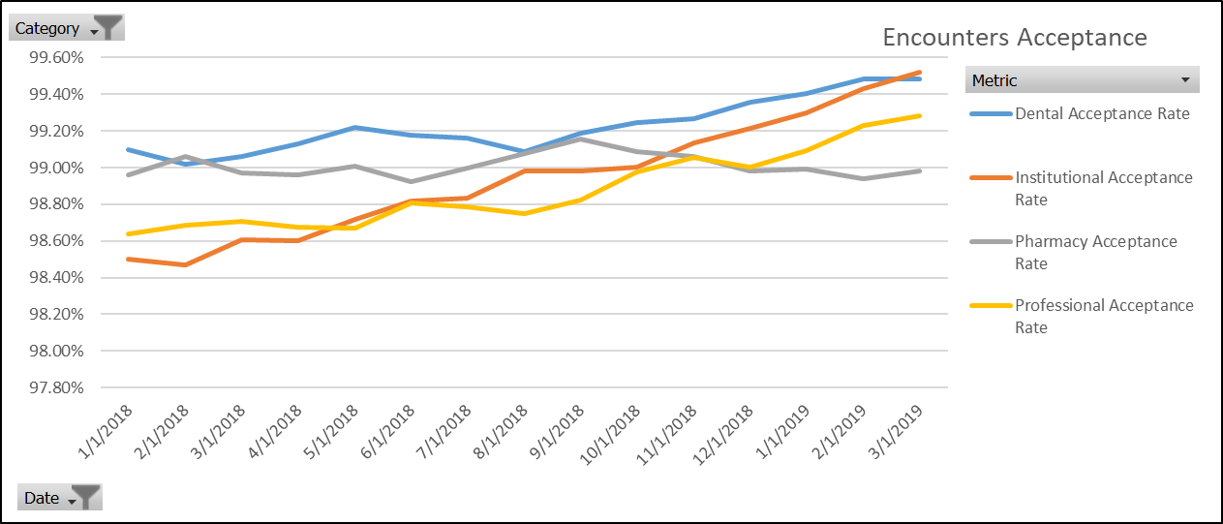
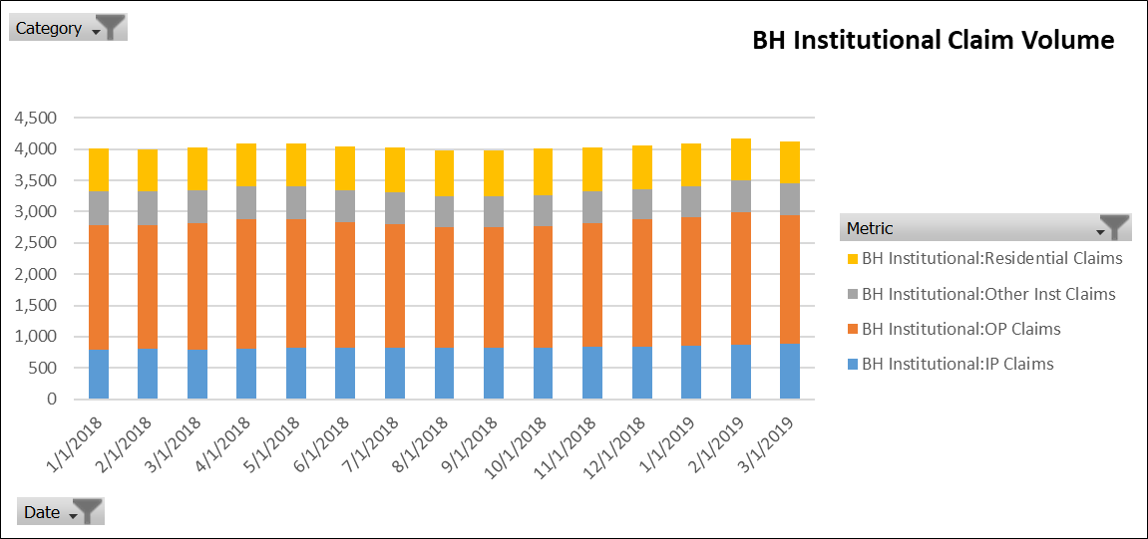
BH Institutional Claim Volume

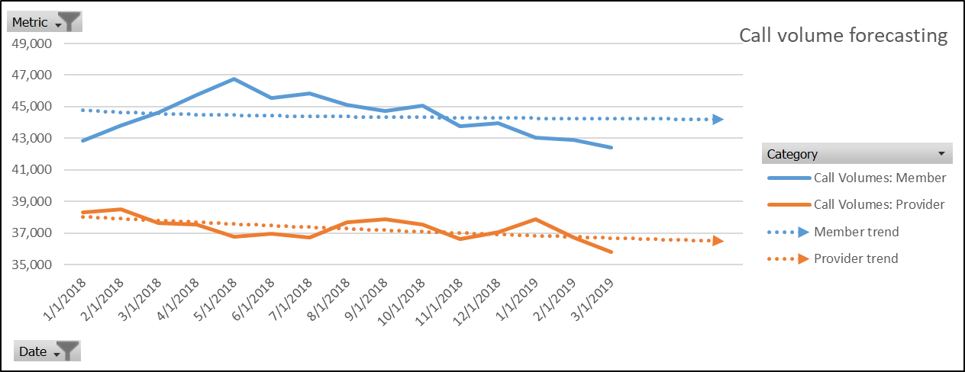
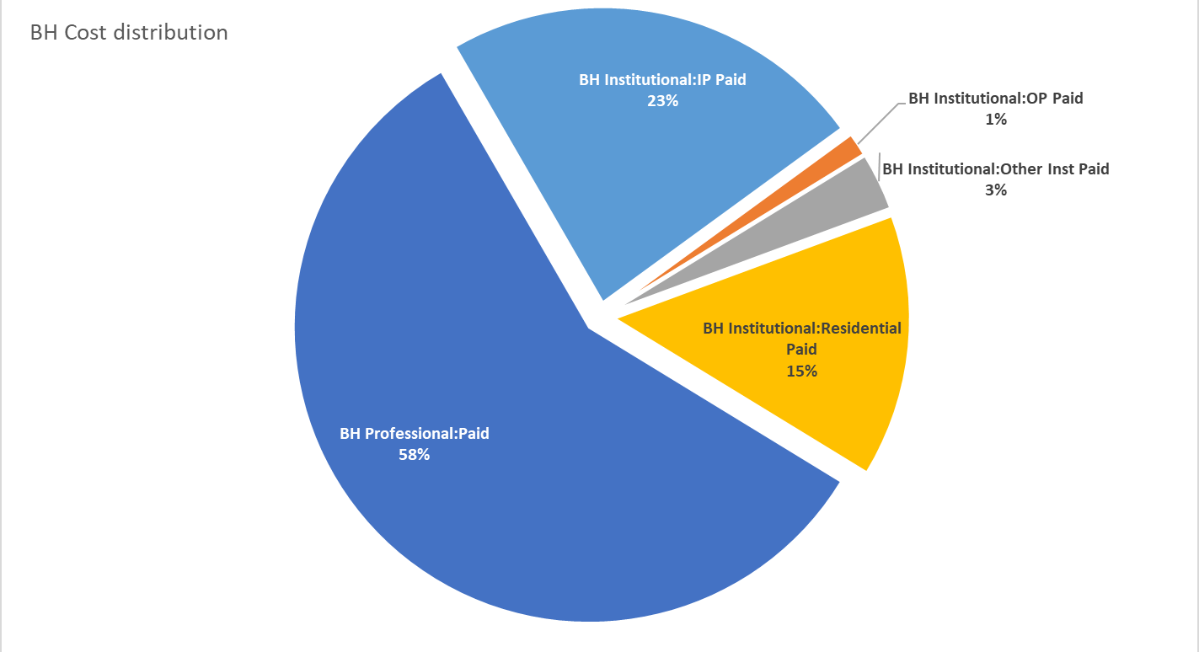
BH Cost
Distribution

Summary - Pharmacy
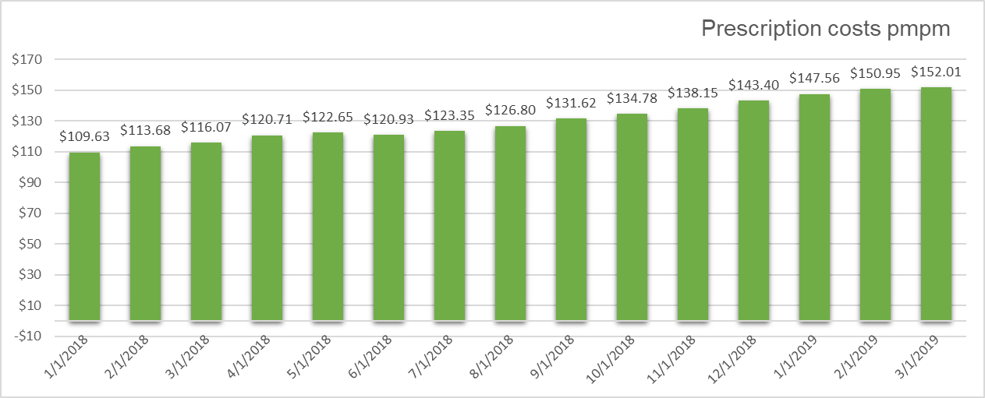
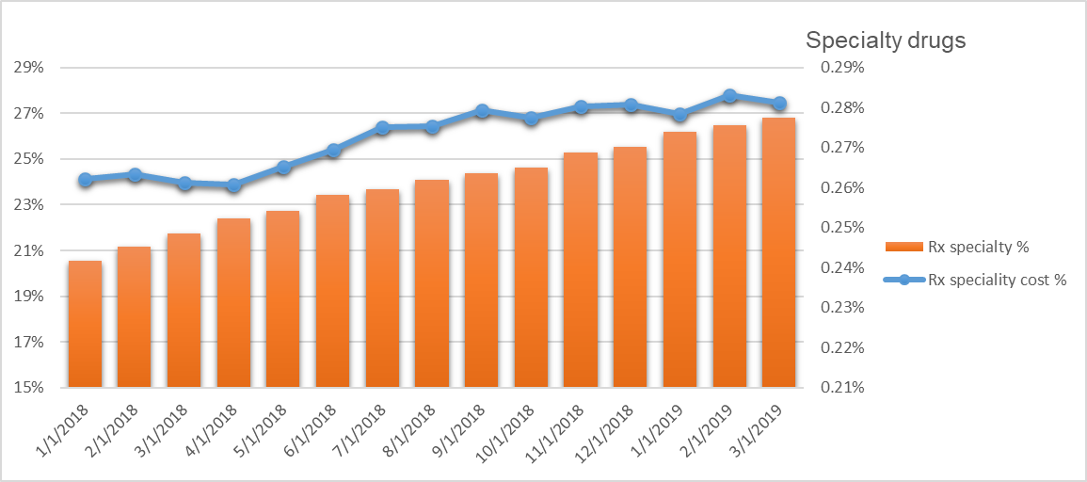

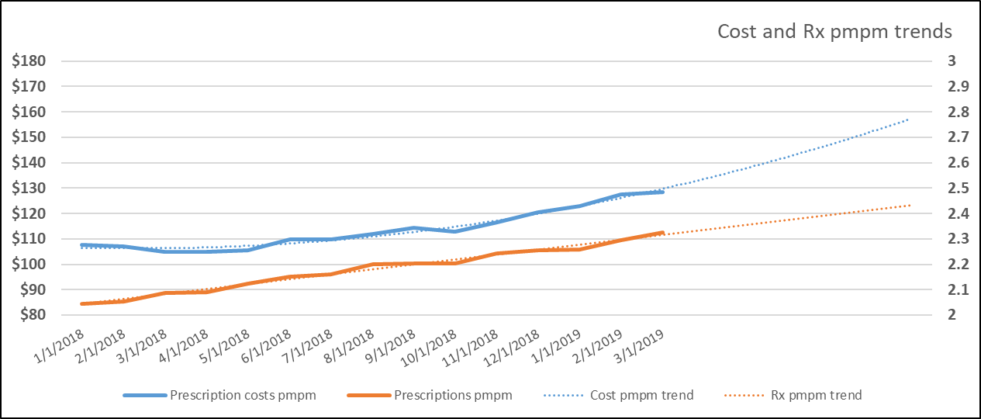
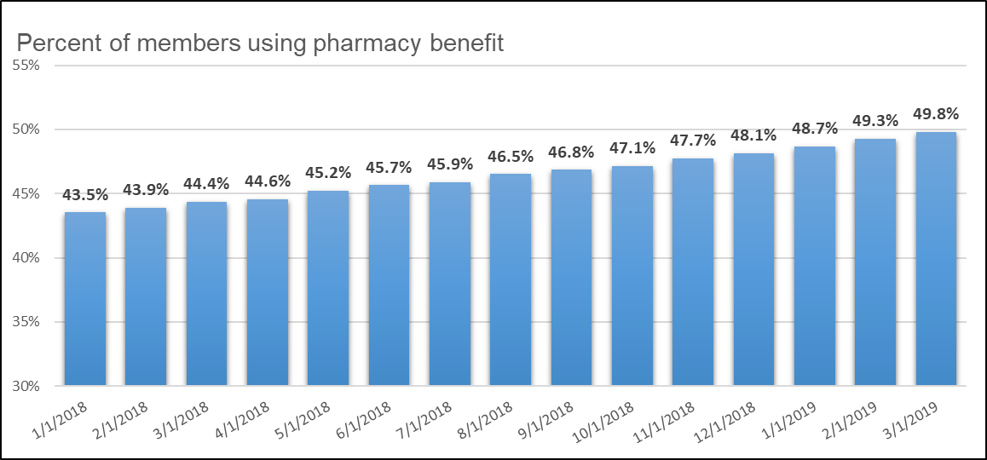

Summary - Med Mgmt
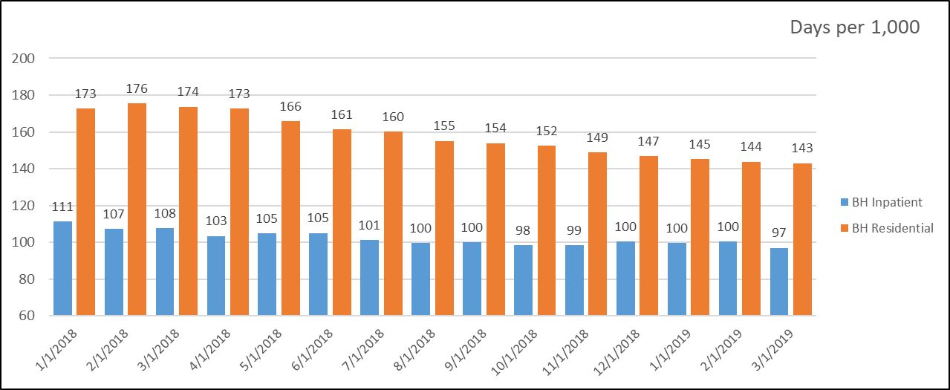
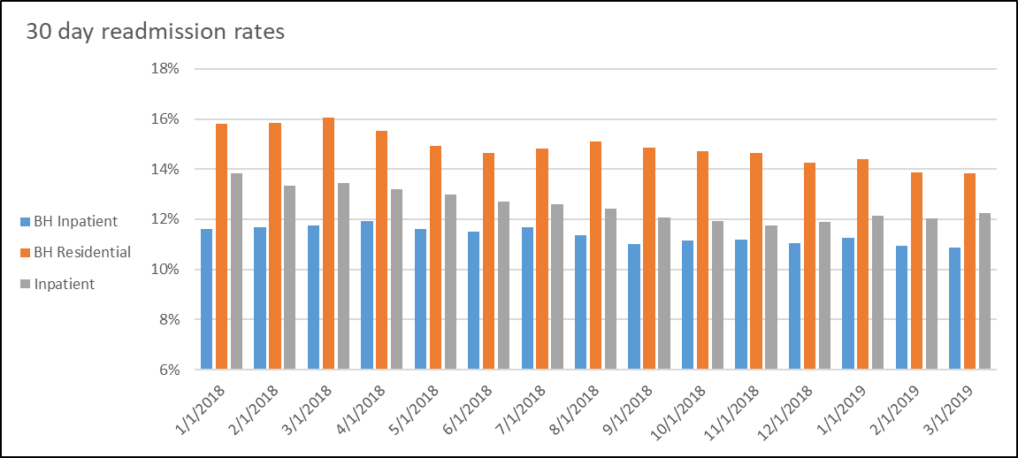

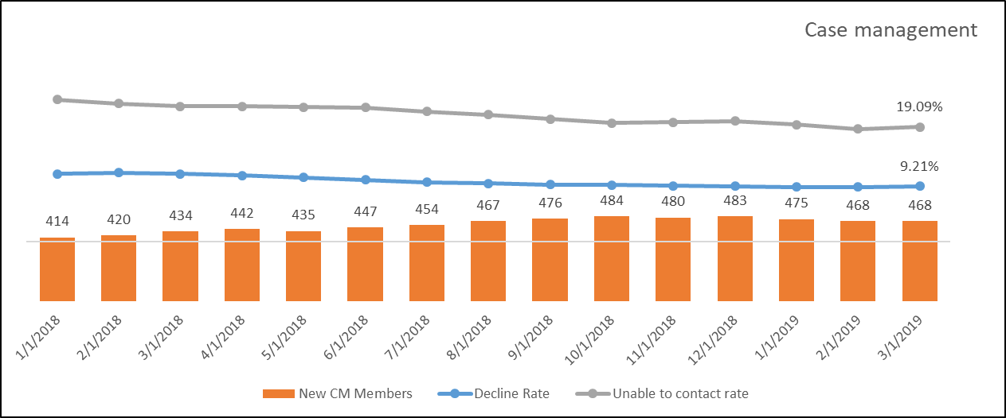
ER visits per 1,000
 | Visits per 1,000
1/1/2018 | 870.5431
2/1/2018 | 887.953962
3/1/2018 | 852.43580352
4/1/2018 | 860.96016156
5/1/2018 | 864.4040022
6/1/2018 | 859.21757819
7/1/2018 | 863.51366608
8/1/2018 | 848.83393376
9/1/2018 | 837.79909262
10/1/2018 | 841.98808808
11/1/2018 | 814.20248117
12/1/2018 | 787.33379929
1/1/2019 | 784.1844641
2/1/2019 | 787.32120195
3/1/2019 | 776.29870513

